Priority Areas Information
Priority Areas

Disadvantaged Communities (DAC): for the purpose of SB 535, these areas are identified by the California Environmental Protection Agency (CalEPA) using CalEnviroScreen. This includes census tracts: receiving the highest 25% of overall scores in CES 4.0; lacking overall scores in CES 4.0 due to data gaps but receiving the highest 5% of CES 4.0 cumulative pollution burden scores; and identified in the 2017 DAC designation as disadvantaged, regardless of their scores in CES 4.0. Additionally, these communities include CalEPA's idnetification of lands under the control of federally recognized Tribes. A Tribe may have a single land area represented or may be a multipart feature. A Tribal land may be wholly or partially within a census tract.
https://gis.carb.arb.ca.gov/portal/apps/experiencebuilder/experience/?id=5dc1218631fa46bc8d340b8e82548a6a&page=Priority-Populations-4_0
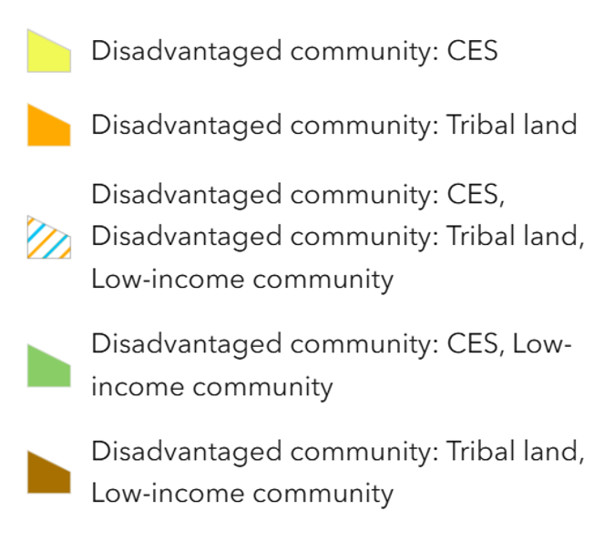

Low-income communities (LIC): for the purpose of AB 1550, these areas are defined as census tracts that are either at or below 80% of the statewide median income, or at or below the threshold designated as low-income by the California Department of Housing and Community Development's (HCD) Revised 2021 State Income Limits.
https://gis.carb.arb.ca.gov/portal/apps/experiencebuilder/experience/?id=5dc1218631fa46bc8d340b8e82548a6a&page=Priority-Populations-4_0
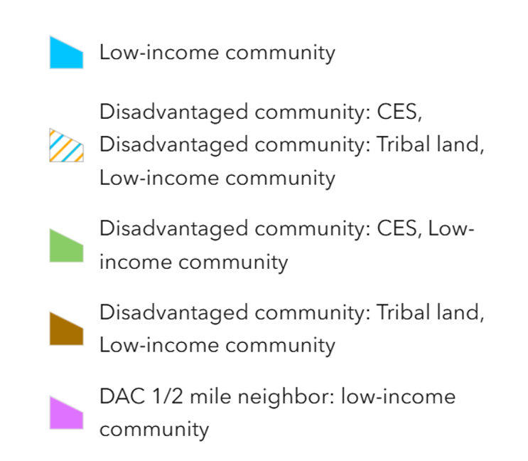

Assembly Bill 617 Communities: Assembly Bill 617 (AB 617) requires air districts to develop and implement additional emissions reporting, monitoring, reduction plans, and measures in an effort to reduce air pollution exposure in disadvantaged communities. The AB 617 communities in the Bay Area Air District’s jurisdiction include West Oakland and East Oakland in Alameda County, Richmond/San Pablo in Contra Costa County, and Bayview-Hunters Point in San Francisco. See below for the geographic boundaries.

West Oakland:
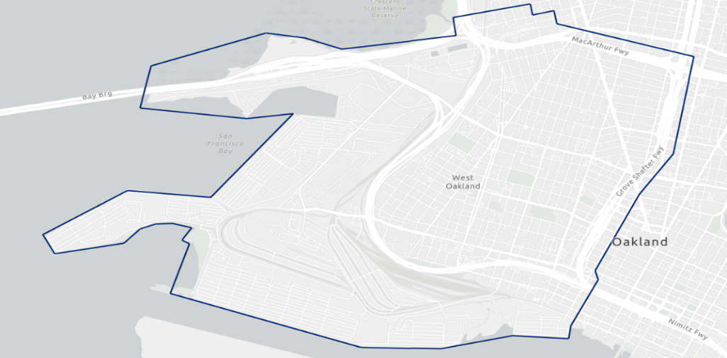

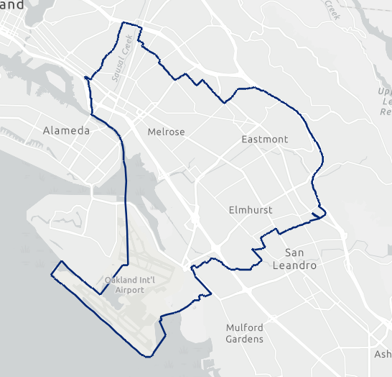
East Oakland:

Richmond-San Pablo:
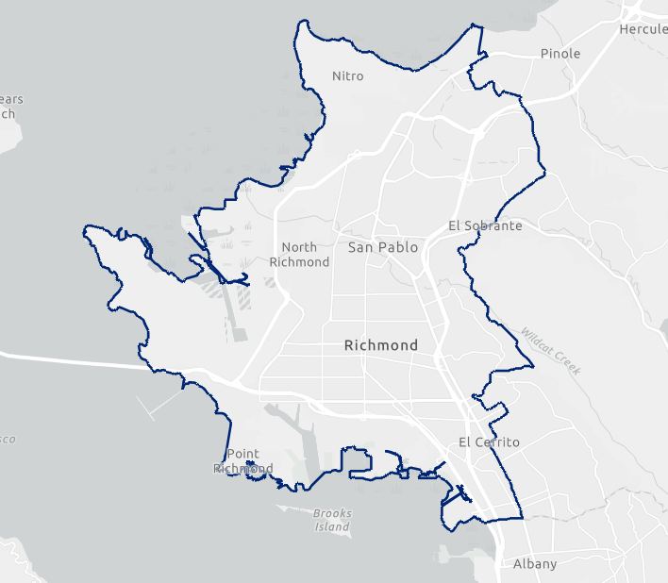

Bayview-Hunters Point/Southeast San Francisco:
